1. Title Page
Instacart Grocery Basket Analysis

Project Name: Instacart Grocery Basket Analysis
Date: 10.02.2024
Analyst Name: Hannes Franz Lazer

Contents:
Population Flow
Consistency checks
Wrangling steps
Column derivations
Visualizations
Recommendations

2. Population Flow
Title page

Population flow

Exclusion flag
Condition: max_order < 5
Obervations to be removed: 9,616,883
Final total count of order_products_all: 22,787,976

Orders_products_combined
orders_products_flaged
merged_regular_costumers

Total: 32,404,859
Total: 32,434,489
Total: 323,985,59

1.) The grey boxes in the first row of the population flow represent the original data sets as they were when you downloaded them. In the Total fields you need to add the count of the rows when you imported the data set into Jupyter.
2.) The second row of boxes (coloured) represents the data sets after you manipulated them, e.g., removed missing values and duplicates. In the Total fields you need to add the count of the rows after conducting these operations. This offers a visual oveview of how the data flows throughout the data consistency checks.
3.) The third row, where also the arrows are coloured, represents the merges you performed between the datasets. In the Total fields you need to add the count of the rows in the merged datasets, so that you end up with the final dataset (in the red box). Keep in mind the final dataset should be without exclusions (based on the exclusion flag).

3. Consistency checks
 |  |  |  | Title page
Consistency checks

Dataset | Missing values | Missing values treatment | Duplicates
orders | days since last order | keep missing values | no duplicates found
products | 16 product names | delete | 5 duplicates deleted
orders_checked | none | none | no duplicates found
customers | 11259 first names | keep missing values | none

4. Wrangling steps
 |  |  |  | Title page
Wrangling steps

Columns dropped | Columns renamed | Columns' type changed | Comment/Reason
eval_set |  |  | not relevant to analysis
 | order_dow |  | orders_day_of_week (readability)
 |  | order_id | integer to string (id's are not integers to aggregate)
 |  | user_id | integer to string (id's are not integers to aggregate)
 | days_since_prior_order |  | days_since_last_order (readability)
 | Surnam |  | last_name (readability and spelling)
 |  | nulls in first name | null to string (did not want nulls in any aggregations)
date_joined |  |  | not relevant to analysis

5. Column derivations
 |  |  |  | Title page

Column derivations and aggregations

In this tab you should add tables below that the frequences of flags/label variables that you produced after deriving them. NB: don't do this for continuous variables, only for flags.
Dataset | New column | Column/s it was derived from | Conditions
ords_prods_merge | price_range_loc | prices | low-range product <=5
 |  |  | mid-range product >5 and <=15
 |  |  | high-range product >15
ords_prods_merge | busiest_day | order_dow | busiest day 0 or 1
 |  |  | least busy 3 or 4
 |  |  | regularly busy everything else
ords_prods_merge | busiest_period_of_day | order_hour_of_day | most orders
 |  |  | average orders
 |  |  | fewest orders all other hours
ords_prods_merge | max_order | user_id, order_number | max order number grouping by user_id
ords_prods_merge | loyalty_flag | max_order | loyal customer >40
 |  |  | regular customer >10 and <=40
 |  |  | new customer <=10
ords_prods_merge | avg_order_price | user_id, prices | average order price grouping by user_id
ords_prods_merge | spending_flag | avg_order_price | high spender >=10
 |  |  | low spender <10
ords_prods_merge | avg_days_since_last_order | user_id, days_since_last_order | average days grouped by user_id
ords_prods_merge | frequency_flag | avg_days_since_last_order | frequent customer <= 10
 |  |  | regular customer >10 and <=20
 |  |  | non-frequent customer >20
user_history | region | state | northeast states grouped
 |  |  | midwest states grouped
 |  |  | south states grouped
 |  |  | west states grouped
regular | profile | dependants, age, income | mix of kids or no kids, young, mid or old, low, mid, high imcome
 |  |  | single adults
 |  |  | young parents

6. Visualizations
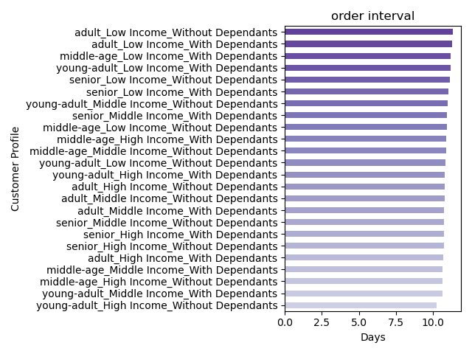
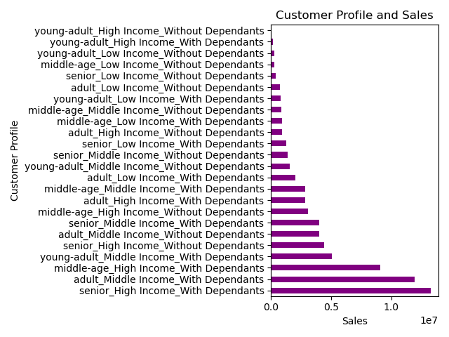
 |  | Title page

Visualisations

In this tab you should include all the visualtions from Exercises 4.9 and 4.10, alongside the questions from the project brief that they answer. Include any commentary on the relationship between different variables.

1 | The sales team needs to know what the busiest days of the week and hours of the day are (i.e., the days and times with the most orders) in order to schedule ads at times when there are fewer orders.
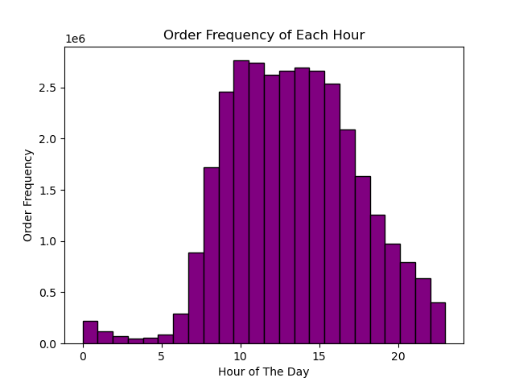
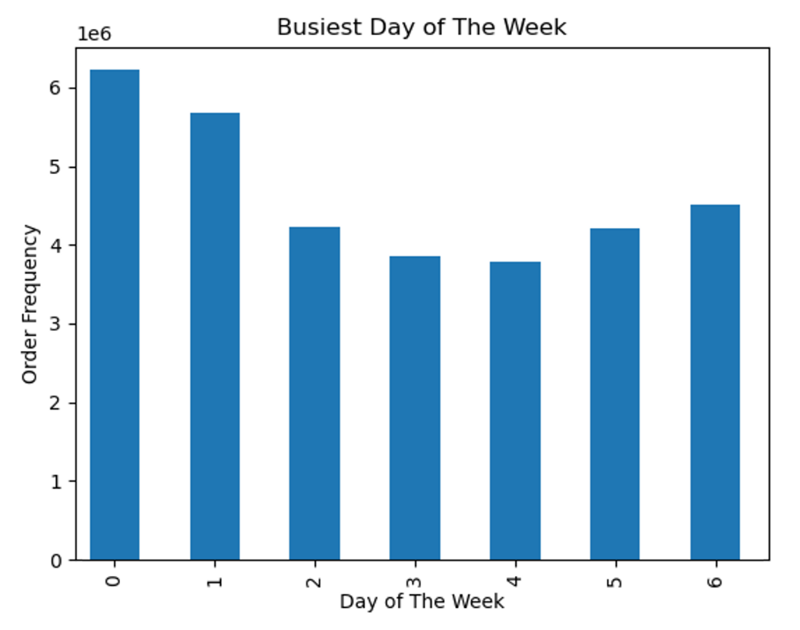

2 | They also want to know whether there are particular times of the day when people spend the most money, as this might inform the type of products they advertise at these times.
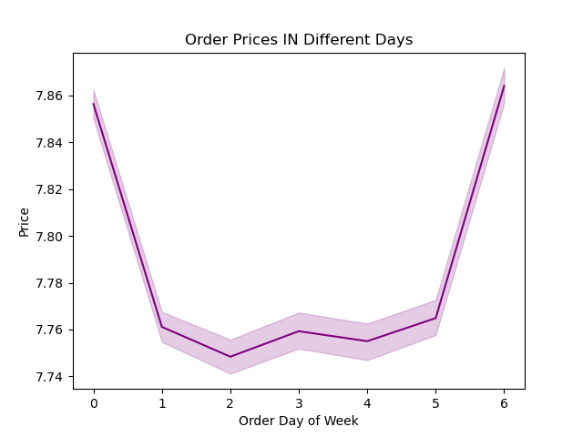
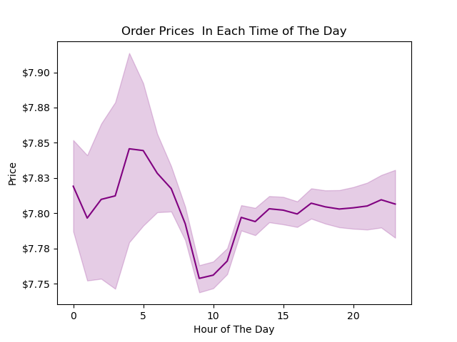

3 | Instacart has a lot of products with different price tags. Marketing and sales want to use simpler price range groupings to help direct their efforts.

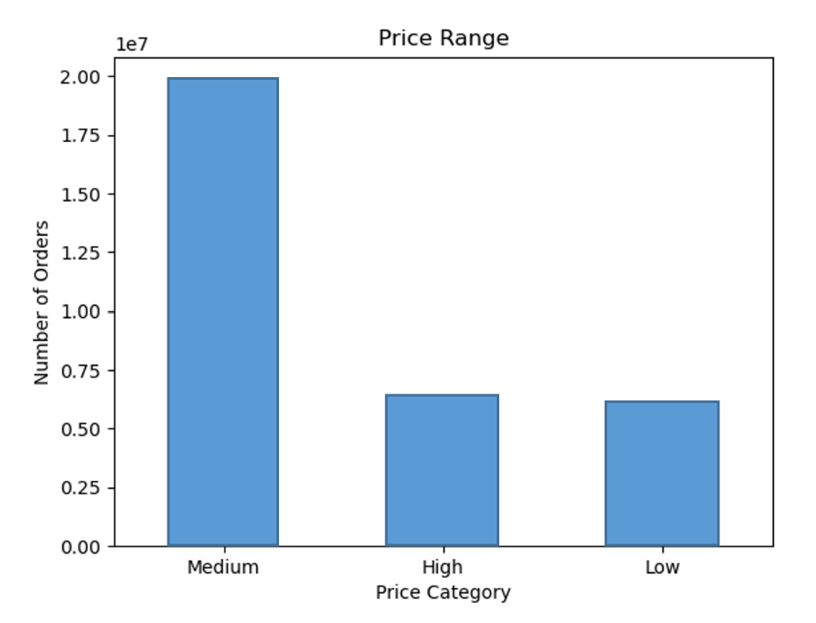

4 | Are there certain types of products that are more popular than others? The marketing and sales teams want to know which departments have the highest frequency of product orders.

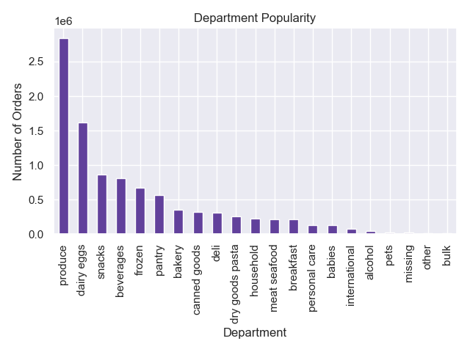

5 | What’s the distribution among users in regards to their brand loyalty (i.e., how often do they return to Instacart)?


6 | Are there differences in ordering habits based on a customer’s loyalty status?

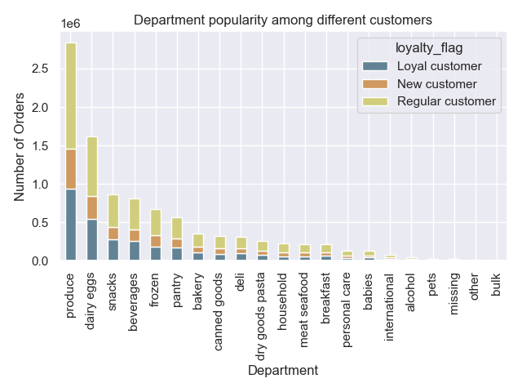

7 | Are there differences in ordering habits based on a customer’s region?
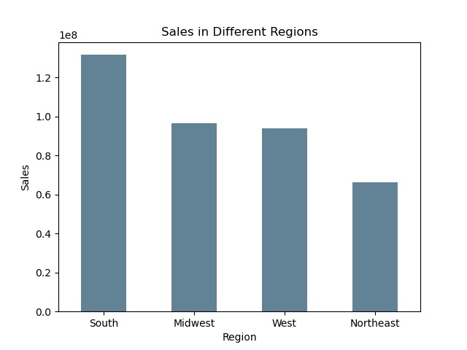
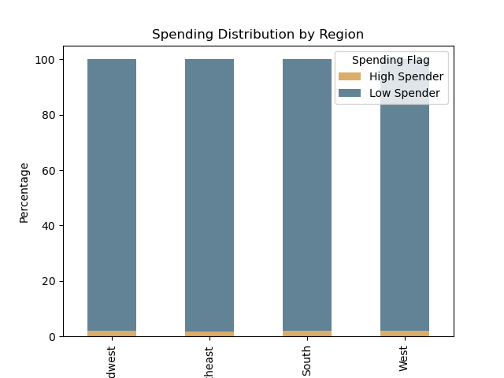

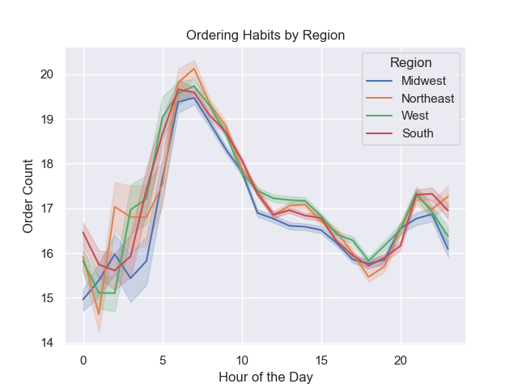

8 | Is there a connection between age and family status in terms of ordering habits?

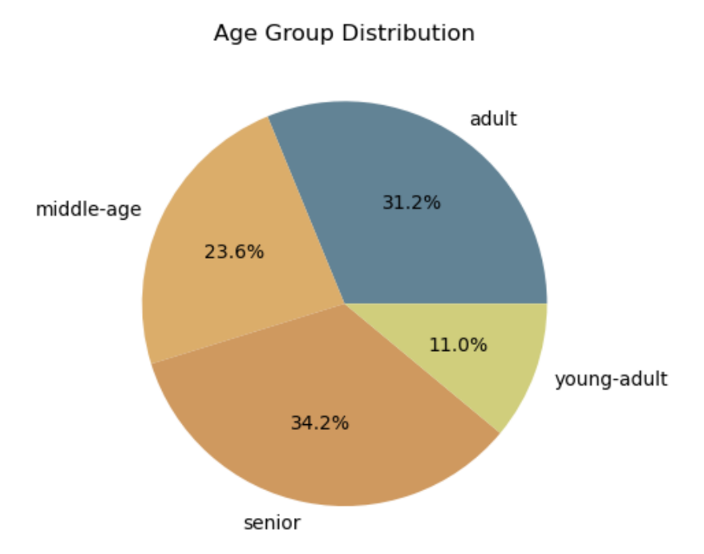
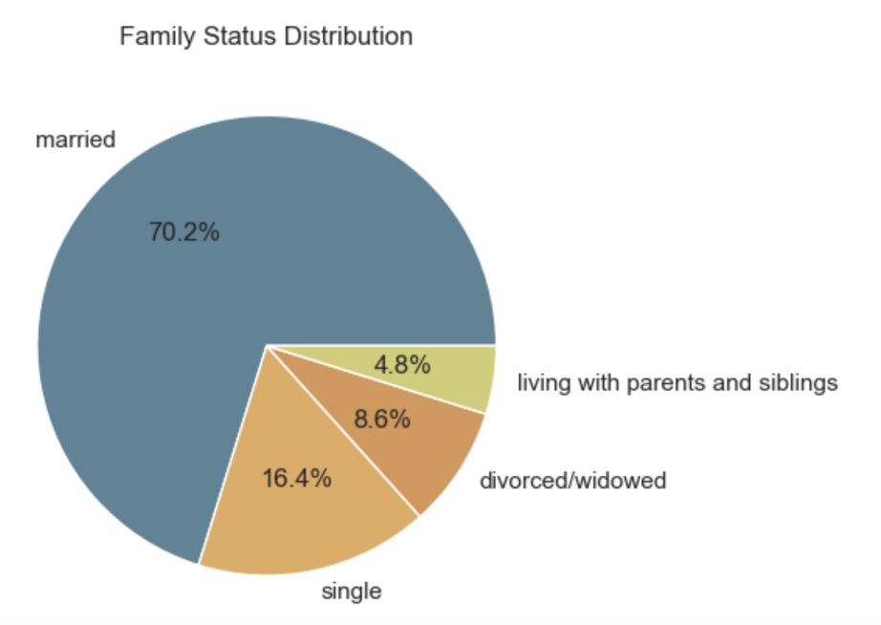

9 | What different classifications does the demographic information suggest? Age? Income? Certain types of goods? Family status?
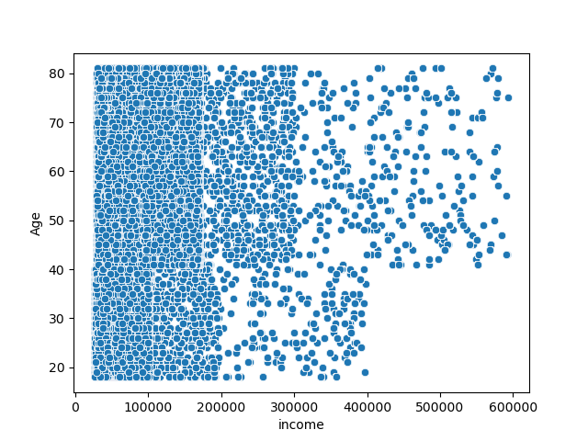

10 | What differences can you find in ordering habits of different customer profiles? Consider the price of orders, the frequency of orders, the products customers are ordering, and anything else you can think of.

7. Recommendations
 |  |  | Title page

Recommendations

In this tab you should include any recommendations you would made to Instcart in terms of their marketing strategy based on the questions posed in the brief. Every key question has been covered in the Tasks of the Exercises - here you need to add an item - a visualisation or table/crosstable that is showing the answer in the data, acompanied by a comment from you. Please, list the questions below and add the answer underneath.

Question |  | Answer
Key Question 1
Key Question 2
Key Question 3
Key Question 4
Key Question 5
Key Question 6
Key Question 7

OVERALL RECOMMENDATIONS

Department | Recommendations
Marketing: | Advertising lower-priced deals between 10am and 5pm, targeting higher-priced items from 3-9pm, and focusing on weekends for ad runs. Concentrating on promoting produce, dairy/eggs, snacks, beverages, and frozen items. Also, introducing lower department sales ads during peak hours to stimulate spontaneous purchases and increase sales. Given the high usage rate of Instacart by parents, considering advertising on social media platforms frequented by this demographic.

Sales: | The highest selling departments are produce, dairy/eggs, snacks, beverages, and frozen, while the lowest include bulk, meat and seafood, baby, personal care, international, pets, and alcohol. Regular sales and online coupons can boost sales. Further analysis of popular brands and products is crucial. Sales and coupons should be focused on Mondays through Thursdays, and on higher-priced items during the 3-9am time period.

Customers: | Implementing a loyalty rewards program can enhance user retention and recommendations. Additionally, further analysis is suggested for young, high-income customers due to their high potential for sales despite currently being a low customer base.

Partnerships: | Instacart should focus on partnerships with stores selling bulk items, as they are currently the lowest sellers. Training for shoppers and drivers should include selecting quality food items, particularly produce, and ensuring customer data security.

KEY QUESTIONS
Question | Answer

The sales team needs to know what the busiest days of the week and hours of the day are (i.e., the days and times with the most orders) in order to schedule ads at times when there are fewer orders. | The busiest days and hours for orders: The data indicates that the highest order volume occurs on Saturdays, followed by Sundays and then Fridays. The peak hours for placing orders are between 10 AM and 5 PM. To diversify the order volume throughout the week, consider scheduling ads during off-peak days and hours.

They also want to know whether there are particular times of the day when people spend the most money, as this might inform the type of products they advertise at these times | The times of day when people spend the most: Interestingly, while the most popular times for placing orders are between 10 AM and 4 PM, the highest prices of items are sold around 3-4 AM and 6-7 AM. This suggests that customers who shop early in the morning tend to purchase higher-priced items. Therefore, advertising premium products during these hours could be effective.

Instacart has a lot of products with different price tags. Marketing and sales want to use simpler price range groupings to help direct their efforts | Price range groupings for products: Most customers spend around $6-8 on average per order. Recommended is grouping products into three price ranges for marketing efforts: for example - $5 or less, $5 to $10, and $10 to $15.

Are there certain types of products that are more popular than others? The marketing and sales teams want to know which departments have the highest frequency of product orders | Popular types of products: The departments with the highest frequency of product orders are Produce, Dairy & Eggs, Snacks, Beverages, and Frozen. Marketing efforts should focus on these popular categories.

The marketing and sales teams are particularly interested in the different types of customers in their system and how their ordering behaviors differ.

What’s the distribution among users in regards to their brand loyalty (i.e., how often do they return to Instacart)? | Customer loyalty distribution: Loyal customers, defined as those with more than 40 orders, are a significant portion of our user base, second only to regular customers who have placed more than 10 but less than 40 orders. Strategies should be implemented to encourage regular customers to become loyal customers, and to entice new customers to place more orders.

Are there differences in ordering habits based on a customer’s loyalty status? | Ordering habits based on loyalty status: Across all loyalty groups, the majority of customers purchase mid-range products priced between $5 and $15. However, loyal customers tend to make more frequent purchases, and regular customers tend to make less frequent but larger purchases.

Are there differences in ordering habits based on a customer’s region? | Ordering habits based on customer’s region: We have a diverse customer base across all regions, with the South being the most represented, followed by the West, Midwest, and Northeast. Despite regional differences, the top five product departments and the majority of orders priced under $10 remain consistent across all regions.

Is there a connection between age and family status in terms of ordering habits? | Connection between age and family status in ordering habits: Customers who are married with children, regardless of age, tend to place the highest number of orders. Most of Instacart's customers are married and have children.

What different classifications does the demographic information suggest? Age? Income? Certain types of goods? Family status? | Classifications suggested by demographic information: Instacart's primary user base consists of young (<35 years) and middle-aged (35-64 years) married parents with middle to high income (between $60,000 and $125,000). Regardless of the customer's profile, the top-selling departments remain consistent and most purchases are in the mid-price range ($5-$15).

What differences can you find in ordering habits of different customer profiles? | Differences in ordering habits of different customer profiles: While there are some differences in the frequency and size of orders between different customer profiles, the types of products purchased and their price range are remarkably consistent across all groups. All groups primarily buy mid-priced items from the same top five departments.

